Sheet2
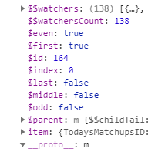
Parent id | TodaysMatchupsContainer
Modal id | AdjustmentsByTeamModal

css | #AdjustmentsByTeamModal
 | AdjustmentsByTeamModalController

 | ng-click="CloseModal(this, 'AdjustmentsListContainer', 'AdjustmentsModal', 'eventGetAdjustments' )"

 |  |  | id | first | even
 | GS | Away | 164 | TRUE | TRUE

